05-1 R1
CHECKER STOCK REPORT
DATE ___________05/01/2025___________
ROUTE 1 | CB | CIB | CC | CIC | C10C | HTA | PAMB | PAMC | KRB | KRC | CBC | CBB | SDB | SDC | CNB | CLC | SMZB | SMLB | SMLC | FBA
 | 2 |  | 3 | 3 | 2 | 30/12B |  |  |  |  |  |  |  |  |  | 4 |  | 1 | 3 | 2
1ST LOAD
2ND LOAD

 |  |  |  |  |  |  |  |  |  |  |  |  |  |  |  |  |  |  |  | 0
FGS RETURNED | 2 |  | 1 | 0 | 0 | 5/14B |  |  |  |  |  |  |  |  |  | 0 |  | 1 | 0
TOTAL SALES | 0 |  | 2 | 3 | 2 | 24/22 |  |  |  |  |  |  |  |  |  | 4 |  | 0 | 3 | 2

 | FBL | FBLY | FBAC | FBLC | FBLYC | PP | PPG | PL | PPC | RHS | RHP | RHL | RHC | RH500C | RHSL | SMFB | SMFC | GE320 | GEK | HSC
1ST LOAD |  | 1 |  | 2 | 4 | 2 |  | 48 | 1 | 7 | 10 | 613 | 4 |  | 15 |  |  |  |  | 1
2ND LOAD

FGS RETURNED |  | 1 |  | 0 | 0 | 1 |  | 5 | 0 | 1 | 3 | 9 | 0 |  | 0 |  |  |  |  | 0
TOTAL SALES |  | 0 |  | 2 | 4 | 1 |  | 43 | 1 | 6 | 7 | 604 | 4 |  | 15 |  |  |  |  | 1

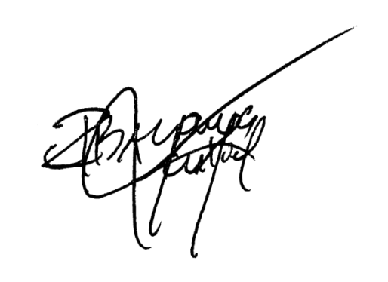
EMPTIES | PP |  |  | RHL/PL |  |  | RH5 |  |  | FBA/SML/RHS |  |  | MHT |  |  | REMARKS
 | COMPLETE | SHELL | BOTTLE | COMPLETE | SHELL | BOTTLE | COMPLETE | SHELL | BOTTLE | COMPLETE | SHELL | BOTTLE | COMPLETE | SHELL | BOTTLE
RETURNED | 1 |  |  | 535 | 4 | 11 | 2 | 1 | 9 | 1 | 3 | 28 | 17 | 3 | 105

TOTAL | 1 |  |  | 535 | 4 | 11 | 2 | 1 | 9 | 1 | 3 | 28 | 17 | 3 | 105 | SIGNATURE

05-1 R2
CHECKER STOCK REPORT
DATE ___________05/01/2025___________
ROUTE 2 | CB | CIB | CC | CIC | C10C | HTA | PAMB | PAMC | KRB | KRC | CBC | CBB | SDB | SDC | CNB | CLC | SMZB | SMLB | SMLC | FBA
 | 3 |  |  |  |  | 14/15B |  |  |  |  |  |  |  |  |  |  |  | 3 |  | 1
1ST LOAD
2ND LOAD

FGS RETURNED | 3 |  |  |  |  | 9/10B |  |  |  |  |  |  |  |  |  |  |  | 3 |  | 0
TOTAL SALES | 0 |  |  |  |  | 5/5B |  |  |  |  |  |  |  |  |  |  |  | 0 |  | 1

 | FBL | FBLY | FBAC | FBLC | FBLYC | PP | PPG | PL | PPC | RHS | RHP | RHL | RHC | RH500C | RHSL | SMFB | SMFC | GE320 | GEK | HSC
1ST LOAD |  | 2 |  |  |  | 4 |  | 54 |  | 3 | 10 | 200 |  |  | 20
2ND LOAD

FGS RETURNED |  | 0 |  |  |  | 4 |  | 20 |  | 3 | 9 | 30 |  |  | 19
TOTAL SALES |  | 2 |  |  |  | 0 |  | 34 |  | 0 | 1 | 170 |  |  | 1

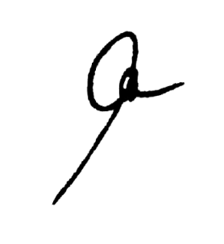
EMPTIES | PP |  |  | RHL/PL |  |  | RH5 |  |  | FBA/SML/RHS |  |  | MHT |  |  | REMARKS
 | COMPLETE | SHELL | BOTTLE | COMPLETE | SHELL | BOTTLE | COMPLETE | SHELL | BOTTLE | COMPLETE | SHELL | BOTTLE | COMPLETE | SHELL | BOTTLE
RETURNED |  |  |  | 199 | 4 | 2 | 1 | 1 | 4 | 3 |  | 2 | 2 | 4 | 2

TOTAL |  |  |  | 199 | 4 | 2 | 1 | 1 | 4 | 3 |  | 2 | 2 | 4 | 2 | SIGNATURE

